Sign up
Created By: | Anna Hephzibah
Created On: | 2026-03-30
Received By:
Received On:

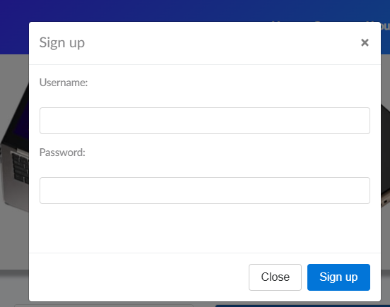
Test Case ID | Test Description | Module | Pre-conditions | Test Steps | Test Data | Expected Result | Actual Result | Status
TC_DB_001 | Sign Up verification | Navigation | Homepage is loaded | 1. Click on Sign up | N/A | Sign Up page should open | Same as Expected result | Pass
TC_DB_002 | Verify all input fields are visible | Sign Up | Open Sign Up page | 1.Check Username field is visible and can enter the value |  | 1.Username,password field is visible and can enter the value, | Username,password field is visible,close and sign up button is visible and clickable But already sign up then login link is not visible | Fail
 |  |  |  | 2.Check the Password field is visible, can enter the value. | N/A | 2."already signup then Login" link is visible and clickable
 |  |  |  | 3.check "already signup then Login" link is visible and clickable |  | 3.close and sign up button is visible and clickable
 |  |  |  | 4.close and sign up button is visible and it is clickable
TC_DB_003 | close button functionality verification | Sign Up | Open Sign Up page | Click "X" icon | N/A | Sign Up page should closes successfully | Same as Expected result | Pass
TC_DB_004 | Verify Close button (bottom) | Sign Up | Open Sign Up page | Click "Close" button | N/A | Sign Up page should closes successfully | Same as Expected result | Pass
TC_DB_005 | Verify Sign Up with valid credentials | Sign Up | Open Sign Up page | 1. Enter username | Username: Saras | Message: Sign up successful | Sign up success ful but not redirected to login page | Fail
 |  |  |  | 2. Enter password | Password: Sara@123 | Redirected to Login page
 |  |  |  | 3. Click Sign up
TC_DB_006 | Sign Up empty field verification | Sign Up | Open Sign Up page | Click "Sign up" without entering data | N/A | Pop-up Error message : Please fill out Username and Password. | Pop-up Error message : Please fill out Username and Password. | Pass
TC_DB_007 | Sign Up with only username verification | Sign Up | Open Sign Up page | Enter username only, click Sign up | Username only | Pop-up Error message : Please fill out Username and Password. | Pop-up Error message : Please fill out Username and Password. | Pass
TC_DB_008 | Sign Up with only password verification | Sign Up | Open Sign Up page | Enter password only, click Sign up | Password only | Pop-up Error message : Please fill out Username and Password. | Pop-up Error message : Please fill out Username and Password. | Pass
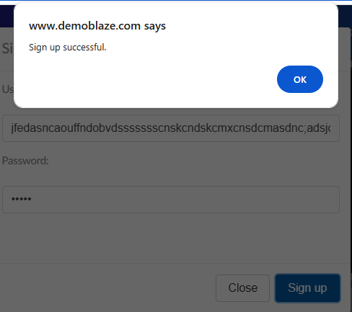
TC_DB_009 | Duplicate username handling verification | Sign Up | Open Sign Up page | 1.Enter existing username and password | Username: Saras | pop-up Error message This user already exist. | pop-up Error message This user already exist. | Pass
 |  |  |  | 2.click on Sign up | Password: Sara@123
TC_DB_010 | Password masking verification | Sign Up | Open Sign Up page | Enter password | Any password | Password should masked (dots/asterisks) | Same as Expected result | Pass
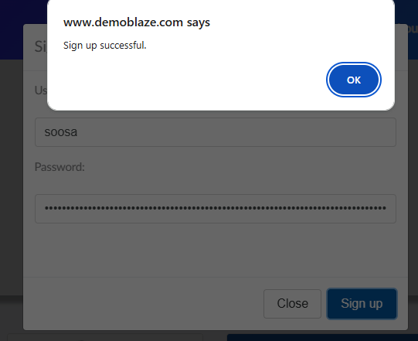
TC_DB_011 | input field limits verification | Sign Up | Open Sign Up page | Enter long username and valid password | username : nkhd..etc., | Input is restricted or error should display | Message: Sign up successful | Fail
 |  |  |  |  | Password:nkjh123
TC_DB_012 | input field limits verification | Sign Up | Open Sign Up page | Enter valid user name and long password | username:Jefrin | Input is restricted or error should display | Message: Sign up successful | Fail
 |  |  |  |  | Password:jefrinmdhn…etc.,
TC_DB_013 | Input username check only with special characters and valid password | Sign Up | Open Sign Up page | 1.Enter special characters only in username field | Username:@#! | Should show an error message enter valid username | Message:This user already exist. | Fail
 |  |  |  | 2.Enter valid password | Password:Sam@321
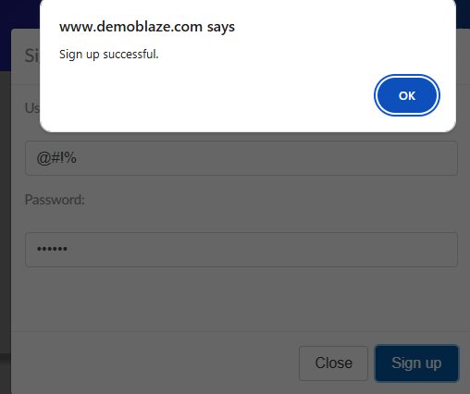
TC_DB_014 | username, password with special characters verification | Sign Up | Open Sign Up page | 1.Enter user name field in only with special characters | Username:@#!% | Should show an error message enter valid username and password | Message: This user already exist. | Fail
 |  |  |  | 2.Enter password field in only with special characters | Password:%$#@!

Product search
Created By: | Anna Hephzibah
Created On: | 2026-03-30
Received By:
Received On:

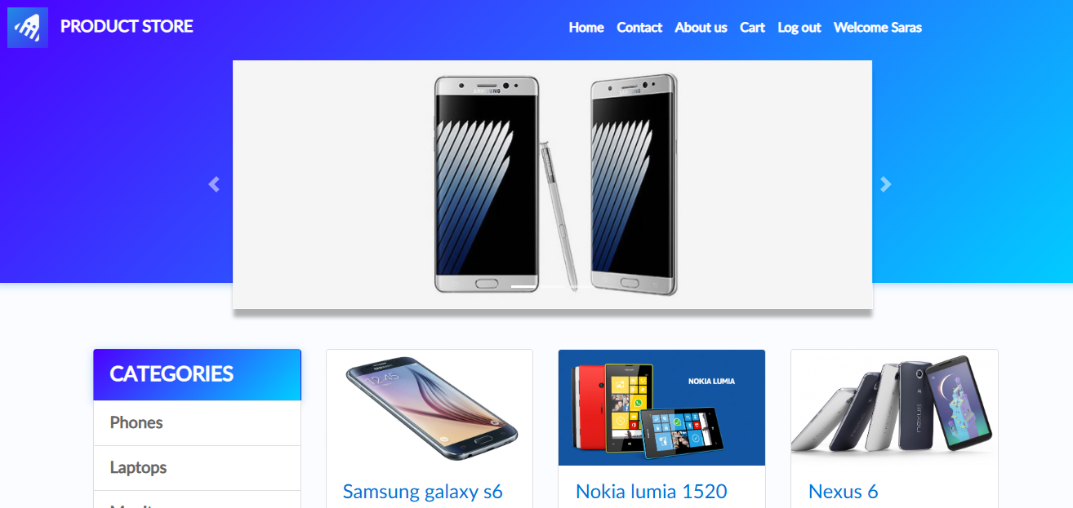
Test Case ID | Test Description | Module | Pre-conditions | Test Steps | Test Data | Expected Result | Actual Result | Status
TC_DB_001 | Product search verification | Product Search | User is on homepage | 1.Check search bar is visible and clickable | N/A | Search bar should visible and clickable | Search bar is not visible | Fail
TC_DB_002 | Verify product search from categories | Product Search | User is on homepage | 1.Check categories are visible and can click | N/A | Categories should visible and clickable | Same as Expected Result | Pass
TC_DB_003 | Verify List of categories available | Product search | User is on homepage | 1.categories like phone,laptop,monitor is visible and clickable | N/A | Shoul visible the phone,laptop,monitor in the categories list and clickable | Same as Expected Result | Pass
TC_DB_004 | Verify Categories section is displayed | Categories | User is on homepage | Observe left panel | N/A | Categories section with "Phones, Laptops, Monitors" should visible | Same as Expected Result | Pass
TC_DB_005 | Verify category list items are clickable | Categories | Categories visible | Click on each category | Phones or Laptops or Monitors | Each category should clickable | Same as Expected Result | Pass
TC_DB_006 | Phones category verification | Categories | Categories visible | Click on Phones from categories | Phones | Only phone products should displayed | Same as Expected Result | Pass
TC_DB_007 | Laptops category verification | Categories | Categories visible | Click on Laptops from categories | Laptops | Only laptop products should displayed | Same as Expected Result | Pass
TC_DB_008 | Monitors category verification | Categories | Categories visible | Click on Monitors from categories | Monitors | Only monitor products should displayed | Same as Expected Result | Pass

TC_DB_009 | Product card structure verification | Product Grid | Homepage loaded | Observe product cards | N/A | Each card should shows image, title, price, and description | Same as Expected Result | Pass
TC_DB_010 | Product title display verification | Product Grid | Products visible | Check product titles | Samsung galaxy s6, etc. | Product names should correct and readable | Same as Expected Result | Pass
TC_DB_011 | Product price format verification | Product Grid | Products visible | Check price display | $360, $820, etc. | Prices should displayed with correct dollar format | Same as Expected Result | Pass
TC_DB_012 | Product description verification | Product Grid | Products visible | Read product descriptions | N/A | Description text should visible and relevant | Same as Expected Result | Pass
TC_DB_013 | Verify product image loading | Product Grid | Products visible | Check all product images | N/A | Images only load with multiple images without broken links | loading the entire product details not only the images with only one image | Fail
TC_DB_014 | Verify product click action | Product Details | Products visible | Click on a product | Samsung galaxy s6, etc. | Redirect to product details page | Same as Expected Result | Pass
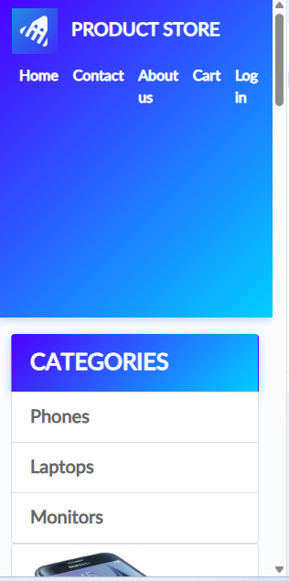
TC_DB_015 | UI alignment of product grid verification | UI/UX | Homepage loaded | Observe alignment | N/A | Products aligned should properly in grid layout | Same as Expected Result | Pass
TC_DB_016 | Verify responsiveness of categories panel | UI/UX | Open in mobile/tablet | Resize screen as mobile view | Reduced size:316px X 633px | 1.Categories should adjust properly | 1Categories adjusted properly | Fail
 |  |  |  |  |  | 2.navigation bar should display all menu items | 2. all menu items are not visible and can not visible the horizontal line (Sign up menu is not visible)
TC_DB_017 | Verify multiple category clicks | Categories | Categories visible | Click different categories sequentially | Phones → Laptops | Products update correctly each time | Same as Expected Result | Pass
TC_DB_018 | Verify default state (no category selected) | Categories | Homepage loaded | Do not click any category | N/A | All products displayed by default | Same as Expected Result | Pass

Product detail page
Created By: | Anna Hephzibah
Created On: | 2026-03-30
Received By:
Received On:

Test Case ID | Test Description | Module | Pre-conditions | Test Steps | Test Data | Expected Result | Actual Result | Status
TC_BD_001 | Verify product details page loads | Product Details | User is logged in | Navigate to product page | N/A | Page loads successfully | Same as Expected Result | Pass
TC_BD_002 | Product name Verification | Product Details | Product page open | Check product title is visible | N/A | Should display correct product name | Same as Expected Result | Pass
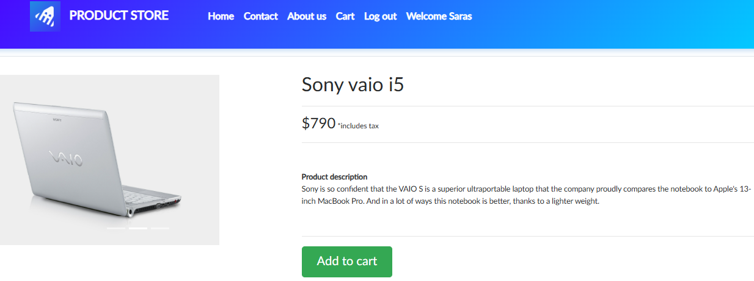
TC_BD_003 | Product price verification | Product Details | Product page open | Check price section is visible | N/A | Price should shown correctly with tax note | Same as Expected Result | Pass
TC_BD_004 | Product image verification | Product Details | Product page open | Check product image is visible | N/A | Image should loads Properly | Same as Expected Result | Pass
TC_BD_005 | Product description verification | Product Details | Product page open | Check product discription visible | N/A | Description should displayed properly | Same as Expected Result | Pass
TC_BD_006 | Add to Cart button verification | Product Details | Product page open | Check add to cart button is visible and clickable | N/A | Add to cart button should visible and clickable | Same as Expected Result | Pass
TC_BD_007 | Add to Cart functionality verification | Cart | Product page open | Click on Add to cart button | N/A | Product added to cart | Same as Expected Result | Pass
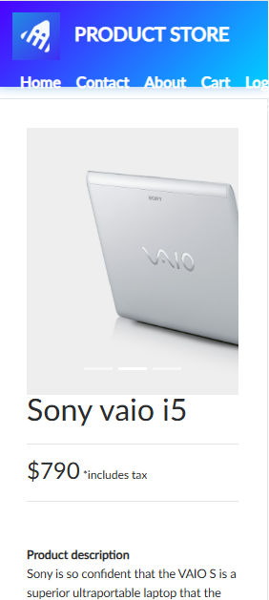
TC_BD_008 | Product page responsiveness verification | UI/UX | Open in different size | Resize browser view | Reduced size:316px X 633px | Layout should adjusts properly | All menu items are not visible and can not visible the horizontal line product image not visible properly | Fail
TC_BD_009 | Verify price format and dollar | Product Details | Product page open | Check price format | $790 | Should display corect dollar format | Same as Expected Result | Pass
TC_BD_010 | Page performance verification | Performance | Product page URL | Click on load page | NA | Page should loads within acceptable time (e.g., <3 sec) | Same as Expected Result | Pass
TC_BD_011 | Back to home button Verification | Back to home | Open product page | Check back to home button is visible and clickable | N/A | Back to home button should visible and clickable | Back to home page is not available | Fail

Order placed
Created By: | Anna Hephzibah
Created On: | 2026-03-30
Received By:
Received On:

Test Case ID | Test Description | Module | Pre-conditions | Test Steps | Test Data | Expected Result | Actual Result | Status
TC_BD_001 | Verify products displayed in cart | Cart | User logged in, products added | 1. Open cart page | Products: Sony Vaio i5, Nokia Lumia 1520 | All added products should listed | Same as expected result | Pass
TC_BD_002 | Verify product details (name & price) | Cart | Open car page | 1. Check product title and price | Sony: 790, Nokia: 820 | Correct name and price should shown | Same as expected result | Pass
TC_BD_003 | Verify total price calculation | Cart | Open car page | 1. Check total amount | 790 + 820 | Total = 1610 should displayed correctly | Same as expected result | Pass
TC_BD_004 | Remove product from cart | Cart | Product exists in cart | 1. Click Delete on a product | Delete Nokia Lumia | Product should removed from cart | Same as expected result | Pass
TC_BD_005 | Verify total updates after deletion | Cart | Product removed | 1. Click on Delete one product | Remove price 820 | Should display the updated price of remaining products | Same as expected result | Pass
 |  |  |  | 2. Check total
TC_BD_006 | Delete all products from cart | Cart | Multiple products in cart | 1. Delete all items | All products | Cart should becomes empty | Same as expected result | Pass
TC_BD_007 | Verify empty cart behavior | Cart | No products in cart | 1. Open cart page | N/A | Cart shows empty message | TBD | TBD
TC_BD_008 | Verify Place Order button visibility | Order | Open car page | 1. Open cart page | N/A | Check Place Order button is visible | Same as expected result | Pass
TC_BD_009 | Click Place Order with products verification | Order | Open car page | 1. Click on Place Order button | Valid cart | Order form or popup should appears | Same as expected result | Pass
TC_BD_010 | Place order with valid details | Order | Order form open | 1. Enter details | Valid user info | Order placed successfully | Same as expected result | Pass
 |  |  |  | 2. Submit
TC_BD_011 | Place order with empty fields | Order | Order form open | 1. Submit without data | Empty fields | Errors displayed :Please fill out Name and Creditcard. | Same as expected result | Pass
TC_BD_012 | Verify product image display | Cart UI | Products in cart | 1. Check product images | Any product | Correct images should shown | Same as expected result | Pass
TC_BD_013 | Verify form loads correctly | Place Order | User is on checkout page | Click on Place Order | N/A | Module opens with all fields should visible | Same as expected result | Pass
TC_BD_014 | Verify all input fields are present | Place Order | Modal is open | Check fields: Name, Country, City, Credit Card, Month, Year | N/A | All fields name, country, city, credit card, year, month and close,purchase button should visible | Same as expected result | Pass
TC_DB_015 | Verify successful order with valid data | Place Order | Place order form open | 1.Enter valid details | Name: Saras, Country: USA, City: NY, Card: 1234567890123456, Month: December, Year: 2026 | Your order is placed successfully | Same as expected result | Pass
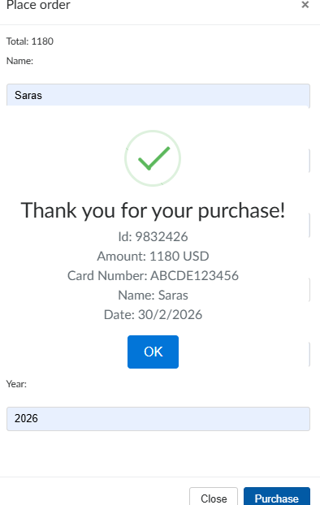
 |  |  |  | 2.Click on purchase
TC_DB_016 | Verify error when Name is empty | Place Order | Place order form open | 1.Leave Name blank | Name: , Country: USA, City: NY, Card: 1234567890123456, Month: December, Year: 2026 | should display Error message : Please fill out Name and Creditcard. | Same as expected result | Pass
 |  |  |  | 2.Click on Purchase
TC_DB_017 | Verify credit card accepts only numeric input | Place Order | Place order form open | Enter alphabets in Credit Card field | Card: ABCD1234 | Error message should display "enter valid credit card details: | Order placed with invalid card details | Fail
TC_DB_018 | Verify month field validation | Place Order | Place order form open | 1.Enter invalid month (>12) | Month: 15 | Error message should shown | Order placed successfully | Fail
 |  |  |  | 2.Click Purchase
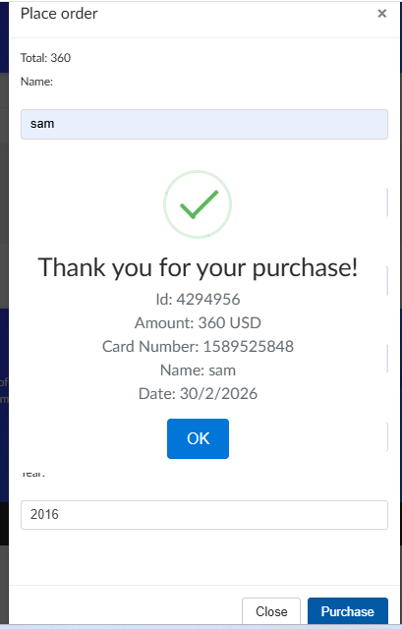
TC_DB_019 | Verify year field validation | Place Order | Place order form open | 1.Enter past year | Year: 2016 | Should show an error message : enter valid year | Order placed successfully | Fail
 |  |  |  | 2.Click Purchase
TC_DB_020 | Verify close button functionality | Place Order | Place order form open | Click on Close button | N/A | Module closes successfully | Same as expected result | Pass
TC_DB_021 | Verify purchase button without entering any data | Place Order | Place order form open | Click Purchase without filling fields | N/A | Should show an error message Please fill out Name and Creditcard. | Same as expected result | Pass
TC_DB_022 | Verify total amount display | Place Order | Place order form open | Observe total value | N/A | Correct total should display | Same as expected result | Pass
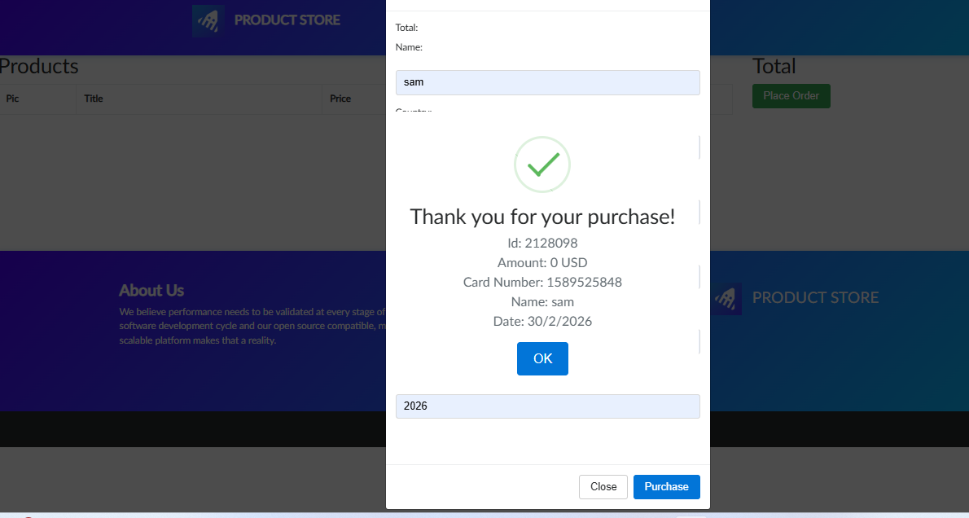
TC_DB_023 | place order verification with empty cart | Place Order | Place order form open | 1.Click on place order button on cart page | N/A | Should display an error message:Your cart is empty | Thank you for your purchase message displayed | Fail
 |  |  |  | 2.Enter the valuse on place order form randomly

Log out
Created By: | Anna Hephzibah
Created On: | 2026-03-30
Received By:
Received On:

Test Case ID | Test Description | Module | Pre-conditions | Test Steps | Test Data | Expected Result | Actual Result | Status
TC_BD_001 | Verify logout button is visible | Logout | User is logged in | Observe UI | N/A | Logout button should visible | Same as expected result | Pass
TC_BD_002 | Verify logout button is clickable | Logout | User is logged in | Click Logout button | N/A | Button should responds to click | Same as expected result | Pass
TC_BD_003 | Verify user is logged out successfully | Logout | User is logged in | Click Logout | N/A | User is redirected to login page | User is redirected to home page | Fail
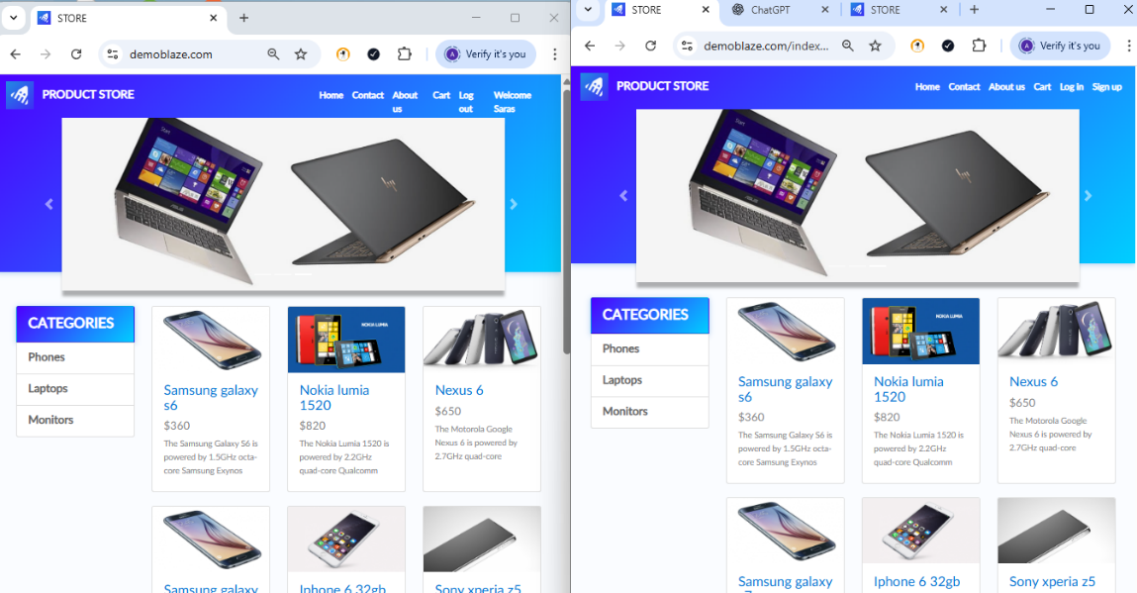
TC_BD_004 | Verify session is terminated after logout | Logout | User is logged in | Click Logout → Try navigating back | N/A | User cannot access protected pages | User can access | Fail
TC_BD_005 | Verify logout clears user data | Logout | User is logged in | Click Logout → Check stored session/cookies | N/A | Session/cookies are cleared | TBD | Not Executed
TC_BD_006 | Verify logout redirects correctly | Logout | User is logged in | Click Logout | N/A | Redirect to homepage/login page | TBD | Not Executed
TC_BD_007 | Verify logout from different pages | Logout | User is logged in | 1.Navigate to different pages | N/A | Logout works from all pages | Logout works only on current page | Fail

 |  |  |  | 2.Click Logout
TC_BD_008 | Verify back button after logout | Logout | User logged out | Click browser back button | N/A | User should not re-enter session | User can acces the cart page | Fail

